Home
 |  |  | How to Use This Template:

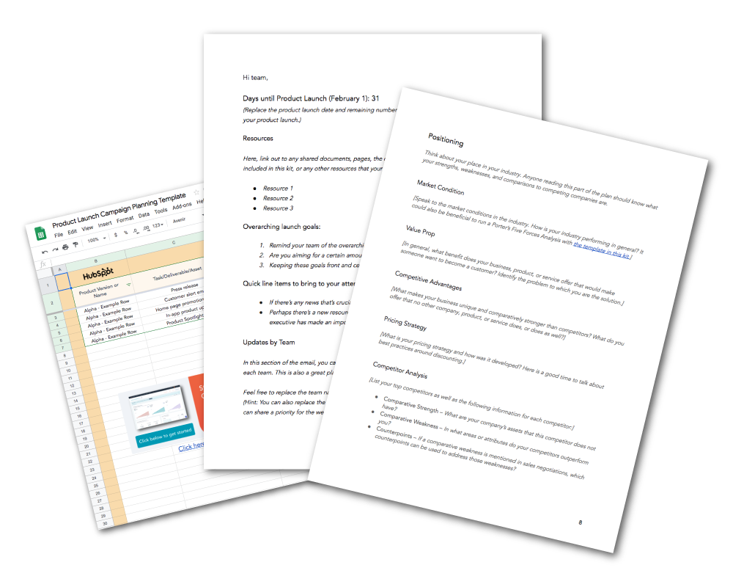
 |  |  | Step One: Use the first tab to list the steps and tasks that need to be completed for the product launch. Step Two: Use this tab to update progress and readiness of the campaign. Step Three: Use this tab to plan and track all social media and PR activities.

Product Launch

Campaign

Template

 | Marketing Hub - Marketing Software

 | Attract visitors through blogging, social media, ads, and more!

 |  | Get Started

